Dashboard
Bikes Sales Dashboard

Avg Income per perchase
 | No | Yes
Female | $33,000.00 | $26,363.64
Male | $36,363.64 | $34,000.00
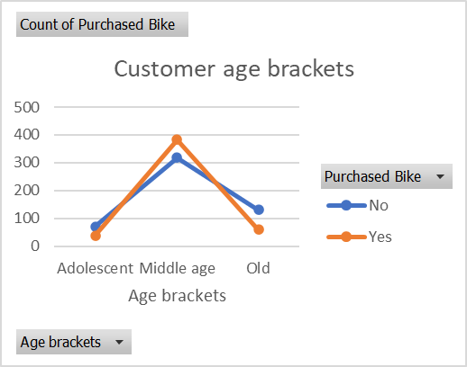

Customer commnute
 | No | Yes
0-1 Miles | 5 | 9
1-2 Miles | 4
2-5 Miles | 8 | 5
5-10 Miles | 3 | 2
More than 10 Miles | 1

pivot table
Avg Income per perchase
Average of Income | Column Labels
Row Labels | No | Yes | Grand Total
Female | $33,000.00 | $26,363.64 | $29,523.81
Male | $36,363.64 | $34,000.00 | $35,625.00
Grand Total | $34,761.90 | $28,750.00 | $32,162.16

Customer age brackets
 | No | Yes
Adolescent | 8
Middle age | 11 | 16
Old | 2
Count of Purchased Bike | Column Labels
Row Labels | No | Yes | Grand Total
0-1 Miles | 5 | 9 | 14
1-2 Miles | 4 |  | 4
2-5 Miles | 8 | 5 | 13
5-10 Miles | 3 | 2 | 5
More than 10 Miles | 1 |  | 1
Grand Total | 21 | 16 | 37

Customer commnute
 | No | Yes
0-1 Miles | 5 | 9
1-2 Miles | 4
2-5 Miles | 8 | 5
5-10 Miles | 3 | 2
More than 10 Miles | 1
Count of Purchased Bike | Column Labels
Row Labels | No | Yes | Grand Total
Adolescent | 8 |  | 8
Middle age | 11 | 16 | 27
Old | 2 |  | 2
Grand Total | 21 | 16 | 37

 | No | Yes
27 | 1
28 | 3
29 | 2
30 | 2
31 | 1
32 | 2 | 1
33 |  | 1
34 | 1 | 2
35 | 2 | 1
36 |  | 2
37 |  | 1
38 |  | 2
39 |  | 1
40 | 1 | 1
42 | 1 | 1
43 |  | 1
45 | 1
46 |  | 1
50 | 1 | 1
51 | 1
56 | 1
57 | 1
Count of Purchased Bike | Column Labels
Row Labels | No | Yes | Grand Total
27 | 1 |  | 1
28 | 3 |  | 3
29 | 2 |  | 2
30 | 2 |  | 2
31 | 1 |  | 1
32 | 2 | 1 | 3
33 |  | 1 | 1
34 | 1 | 2 | 3
35 | 2 | 1 | 3
36 |  | 2 | 2
37 |  | 1 | 1
38 |  | 2 | 2
39 |  | 1 | 1
40 | 1 | 1 | 2
42 | 1 | 1 | 2
43 |  | 1 | 1
45 | 1 |  | 1
46 |  | 1 | 1
50 | 1 | 1 | 2
51 | 1 |  | 1
56 | 1 |  | 1
57 | 1 |  | 1
Grand Total | 21 | 16 | 37

